Sheet4
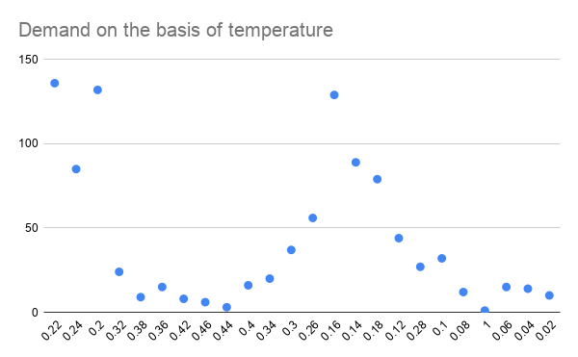

Demand on the basis of atemp

